CLOC
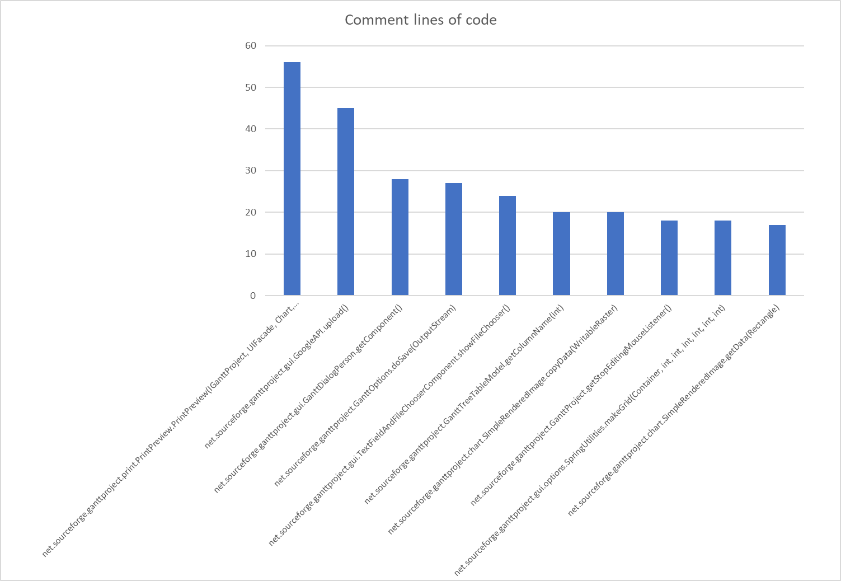
method | CLOC | JLOC | LOC | NCLOC | RLOC
net.sourceforge.ganttproject.print.PrintPreview.PrintPreview(IGanttProject, UIFacade, Chart, Date, Date) | 56.0 | 0.0 | 314.0 | 258.0 | 50.00%
net.sourceforge.ganttproject.gui.GoogleAPI.upload() | 45.0 | 0.0 | 43.0 | 2.0 | 40.95%
net.sourceforge.ganttproject.gui.GanttDialogPerson.getComponent() | 28.0 | 0.0 | 61.0 | 33.0 | 32.28%
net.sourceforge.ganttproject.GanttOptions.doSave(OutputStream) | 27.0 | 0.0 | 134.0 | 107.0 | 14.44%
net.sourceforge.ganttproject.gui.TextFieldAndFileChooserComponent.showFileChooser() | 24.0 | 0.0 | 75.0 | 51.0 | 34.56%
net.sourceforge.ganttproject.GanttTreeTableModel.getColumnName(int) | 20.0 | 5.0 | 28.0 | 8.0 | 62.92%
net.sourceforge.ganttproject.chart.SimpleRenderedImage.copyData(WritableRaster) | 20.0 | 17.0 | 51.0 | 27.0 | 11.69%
net.sourceforge.ganttproject.GanttProject.getStopEditingMouseListener() | 18.0 | 3.0 | 25.0 | 6.0 | 23.83%
net.sourceforge.ganttproject.gui.options.SpringUtilities.makeGrid(Container, int, int, int, int, int, int) | 18.0 | 19.0 | 73.0 | 47.0 | 43.97%
net.sourceforge.ganttproject.chart.SimpleRenderedImage.getData(Rectangle) | 17.0 | 17.0 | 44.0 | 25.0 | 10.09%

JLOC
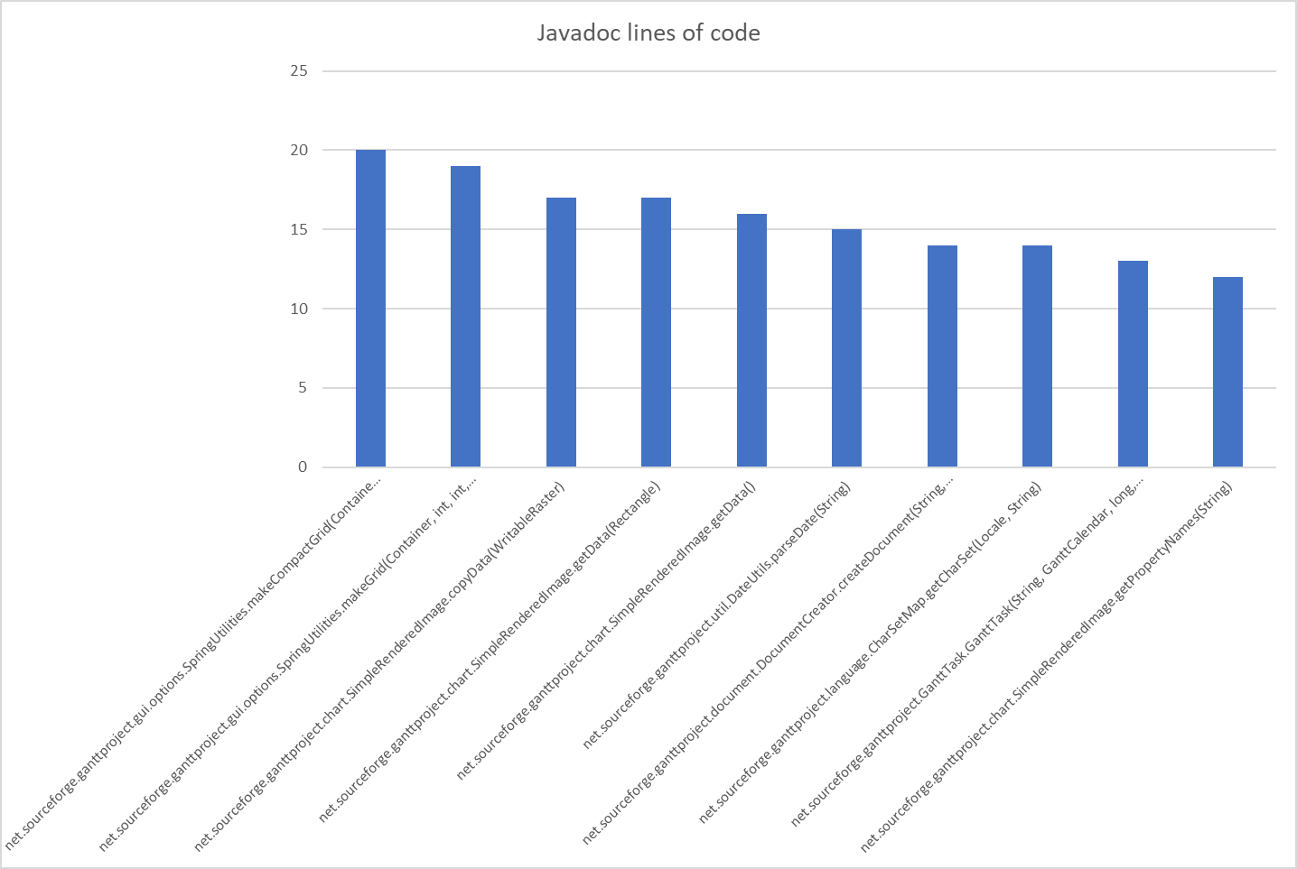
method | CLOC | JLOC | LOC | NCLOC | RLOC
net.sourceforge.ganttproject.gui.options.SpringUtilities.makeCompactGrid(Container, int, int, int, int, int, int) | 8.0 | 20.0 | 29.0 | 9.0 | 17.46%
net.sourceforge.ganttproject.gui.options.SpringUtilities.makeGrid(Container, int, int, int, int, int, int) | 18.0 | 19.0 | 73.0 | 47.0 | 43.97%
net.sourceforge.ganttproject.chart.SimpleRenderedImage.copyData(WritableRaster) | 20.0 | 17.0 | 51.0 | 27.0 | 11.69%
net.sourceforge.ganttproject.chart.SimpleRenderedImage.getData(Rectangle) | 17.0 | 17.0 | 44.0 | 25.0 | 10.09%
net.sourceforge.ganttproject.chart.SimpleRenderedImage.getData() | 15.0 | 16.0 | 21.0 | 5.0 | 48.16%
net.sourceforge.ganttproject.util.DateUtils.parseDate(String) | 9.0 | 15.0 | 34.0 | 18.0 | 82.92%
net.sourceforge.ganttproject.document.DocumentCreator.createDocument(String, String, String) | 6.0 | 14.0 | 43.0 | 28.0 | 13.43%
net.sourceforge.ganttproject.language.CharSetMap.getCharSet(Locale, String) | 11.0 | 14.0 | 49.0 | 33.0 | 11.52%
net.sourceforge.ganttproject.GanttTask.GanttTask(String, GanttCalendar, long, TaskManagerImpl, int) | 2.0 | 13.0 | 22.0 | 9.0 | 42.30%
net.sourceforge.ganttproject.chart.SimpleRenderedImage.getPropertyNames(String) | 12.0 | 12.0 | 35.0 | 22.0 | 80.27%

LOC
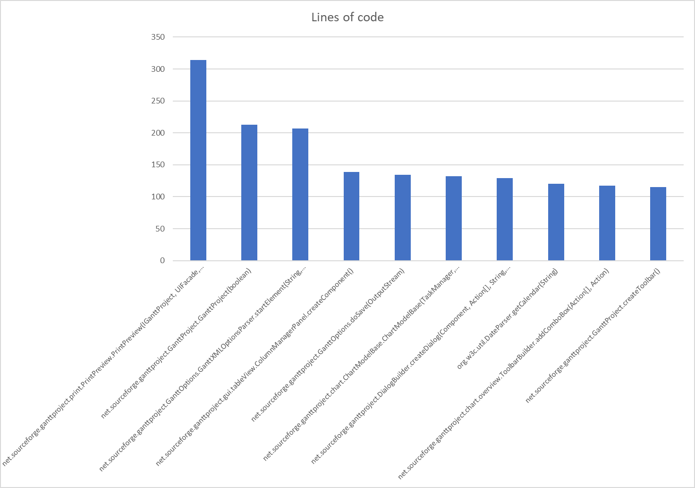
method | CLOC | JLOC | LOC | NCLOC | RLOC
net.sourceforge.ganttproject.print.PrintPreview.PrintPreview(IGanttProject, UIFacade, Chart, Date, Date) | 56.0 | 0.0 | 314.0 | 258.0 | 50.00%
net.sourceforge.ganttproject.GanttProject.GanttProject(boolean) | 14.0 | 0.0 | 213.0 | 199.0 | 20.30%
net.sourceforge.ganttproject.GanttOptions.GanttXMLOptionsParser.startElement(String, String, String, Attributes) | 4.0 | 2.0 | 207.0 | 205.0 | 86.61%
net.sourceforge.ganttproject.gui.tableView.ColumnManagerPanel.createComponent() | 0.0 | 0.0 | 139.0 | 139.0 | 38.08%
net.sourceforge.ganttproject.GanttOptions.doSave(OutputStream) | 27.0 | 0.0 | 134.0 | 107.0 | 14.43%
net.sourceforge.ganttproject.chart.ChartModelBase.ChartModelBase(TaskManager, TimeUnitStack, UIConfiguration) | 0.0 | 0.0 | 132.0 | 132.0 | 23.11%
net.sourceforge.ganttproject.DialogBuilder.createDialog(Component, Action[], String, NotificationManager) | 15.0 | 11.0 | 129.0 | 110.0 | 56.08%
org.w3c.util.DateParser.getCalendar(String) | 17.0 | 0.0 | 120.0 | 106.0 | 47.24%
net.sourceforge.ganttproject.chart.overview.ToolbarBuilder.addComboBox(Action[], Action) | 0.0 | 0.0 | 117.0 | 117.0 | 44.15%
net.sourceforge.ganttproject.GanttProject.createToolbar() | 13.0 | 3.0 | 115.0 | 102.0 | 10.96%

NCLOC
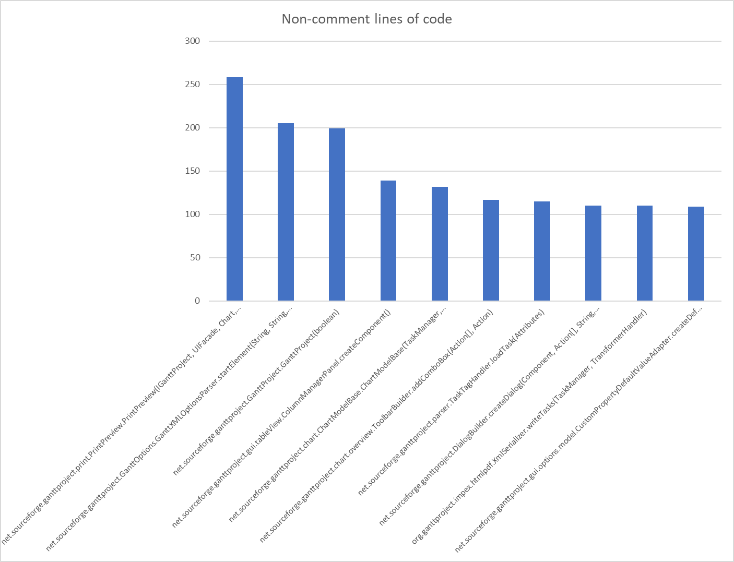
method | CLOC | JLOC | LOC | NCLOC | RLOC
net.sourceforge.ganttproject.print.PrintPreview.PrintPreview(IGanttProject, UIFacade, Chart, Date, Date) | 56.0 | 0.0 | 314.0 | 258.0 | 50.00%
net.sourceforge.ganttproject.GanttOptions.GanttXMLOptionsParser.startElement(String, String, String, Attributes) | 4.0 | 2.0 | 207.0 | 205.0 | 86.61%
net.sourceforge.ganttproject.GanttProject.GanttProject(boolean) | 14.0 | 0.0 | 213.0 | 199.0 | 20.30%
net.sourceforge.ganttproject.gui.tableView.ColumnManagerPanel.createComponent() | 0.0 | 0.0 | 139.0 | 139.0 | 38.08%
net.sourceforge.ganttproject.chart.ChartModelBase.ChartModelBase(TaskManager, TimeUnitStack, UIConfiguration) | 0.0 | 0.0 | 132.0 | 132.0 | 23.11%
net.sourceforge.ganttproject.chart.overview.ToolbarBuilder.addComboBox(Action[], Action) | 0.0 | 0.0 | 117.0 | 117.0 | 44.15%
net.sourceforge.ganttproject.parser.TaskTagHandler.loadTask(Attributes) | 0.0 | 0.0 | 115.0 | 115.0 | 74.67%
net.sourceforge.ganttproject.DialogBuilder.createDialog(Component, Action[], String, NotificationManager) | 15.0 | 11.0 | 129.0 | 110.0 | 56.08%
org.ganttproject.impex.htmlpdf.XmlSerializer.writeTasks(TaskManager, TransformerHandler) | 0.0 | 0.0 | 110.0 | 110.0 | 46.41%
net.sourceforge.ganttproject.gui.options.model.CustomPropertyDefaultValueAdapter.createDefaultValueOption(CustomPropertyClass, CustomPropertyDefinition) | 0.0 | 0.0 | 109.0 | 109.0 | 98.19%

RLOC
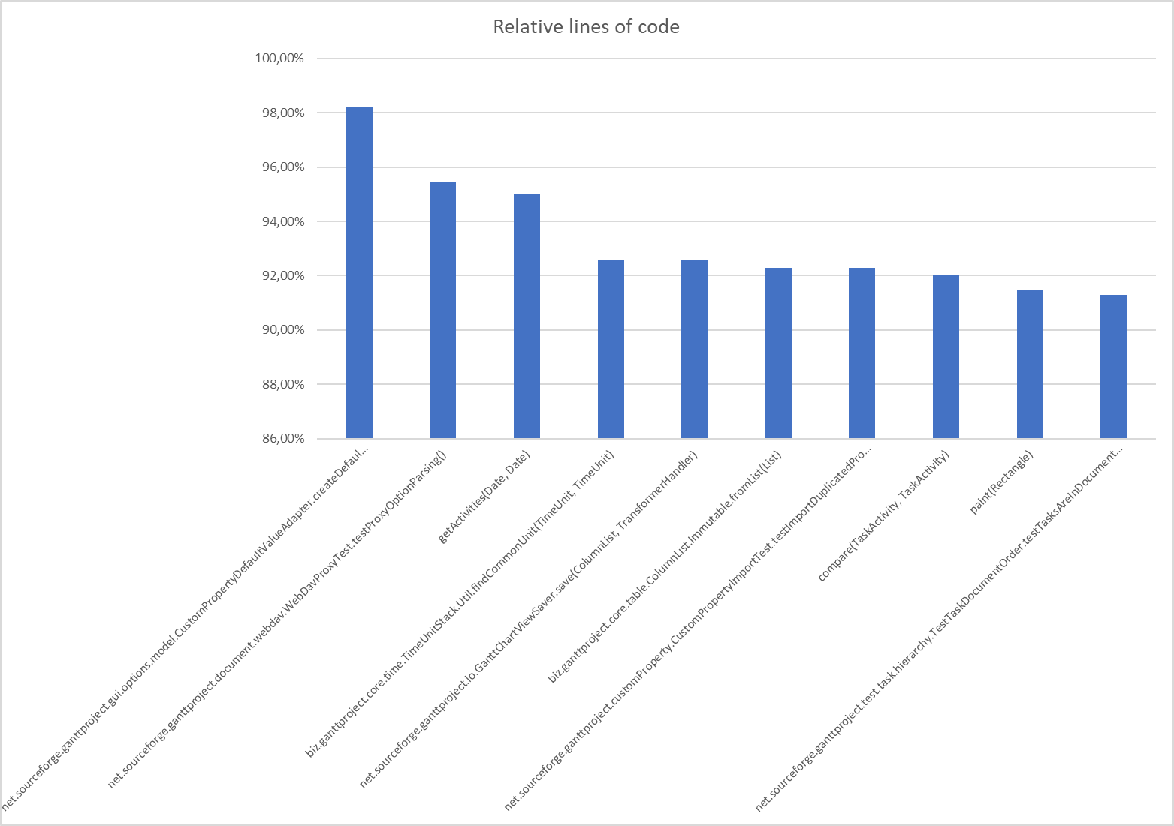
method | CLOC | JLOC | LOC | NCLOC | RLOC
net.sourceforge.ganttproject.gui.options.model.CustomPropertyDefaultValueAdapter.createDefaultValueOption(CustomPropertyClass, CustomPropertyDefinition) | 0.0 | 0.0 | 109.0 | 109.0 | 98.19%
net.sourceforge.ganttproject.document.webdav.WebDavProxyTest.testProxyOptionParsing() | 0.0 | 0.0 | 42.0 | 42.0 | 95.45%
getActivities(Date, Date) | 0.0 | 0.0 | 38.0 | 38.0 | 95.00%
biz.ganttproject.core.time.TimeUnitStack.Util.findCommonUnit(TimeUnit, TimeUnit) | 4.0 | 4.0 | 25.0 | 19.0 | 92.59%
net.sourceforge.ganttproject.io.GanttChartViewSaver.save(ColumnList, TransformerHandler) | 0.0 | 0.0 | 25.0 | 25.0 | 92.59%
biz.ganttproject.core.table.ColumnList.Immutable.fromList(List) | 0.0 | 0.0 | 24.0 | 24.0 | 92.30%
net.sourceforge.ganttproject.customProperty.CustomPropertyImportTest.testImportDuplicatedProperties() | 0.0 | 0.0 | 24.0 | 24.0 | 92.30%
compare(TaskActivity, TaskActivity) | 0.0 | 0.0 | 23.0 | 23.0 | 92.00%
paint(Rectangle) | 0.0 | 0.0 | 43.0 | 43.0 | 91.48%
net.sourceforge.ganttproject.test.task.hierarchy.TestTaskDocumentOrder.testTasksAreInDocumentOrder() | 0.0 | 0.0 | 21.0 | 21.0 | 91.30%

